Overview
Overview
Version 2.0

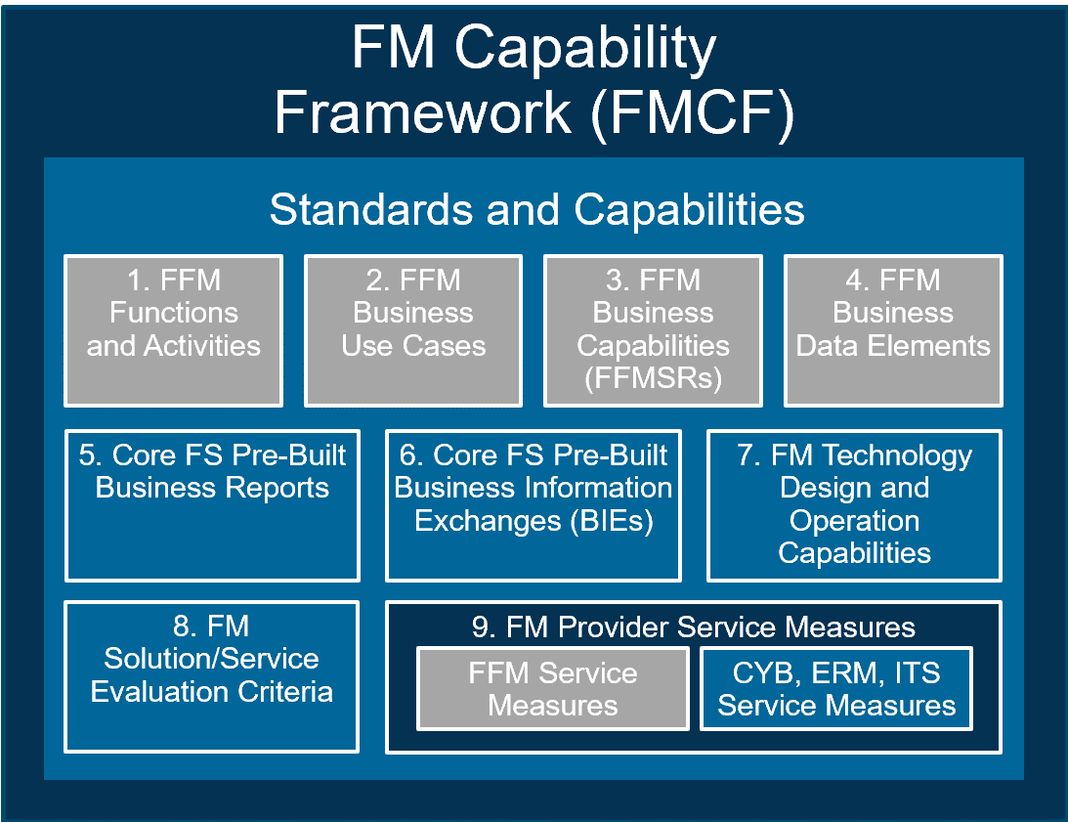
FM Technology Design and Operation Capabilities
FMCF Context | The Financial Management Capability Framework (FMCF) provides a common set of FM standards and capabilities that are the foundation for all offerings in the FM QSMO Marketplace. The FM Technology Design and Operation Capabilities is component 7 of the FMCF. Refer to the Guide to the FM QSMO Marketplace for a description of each FMCF component and how the components relate to each other.
FM Tech Design-Op Capabilities
Objective | This tab contains the Financial Management (FM) Solution/Service Technology Design and Operation Capability statements, with references to their authoritative and other sources (e.g., NIST, FedRAMP). The capability statements establish expectations for technology solution/service design and operation, focusing on the expected outcome to be achieved and intentionally not specifying technologies to be used.
ITS Function ID and Name | This column provides the unique identifier and name for Federal Integrated Business Framework (FIBF) ITS Function the capability enables.
ITS Activity ID and Name | This column provides the unique identifier and name for the FIBF ITS Activity the capability enables.
Capability ID | This column provides the unique identifier for the capability. For example, for the Capability ID "ITS.020.030.011": "ITS" represents the FIBF Functional Area of Information Technology Services (ITS) "020" represents the FIBF ITS Function "Storage" "030" represents the FIBF ITS Activity "Backup & Restore" "01" in the last three numbers represents the unique process group within the FIBF ITS Activity (group of input, process, and output capabilities) "1" as the last number represents the unique identifier for the capability within the process group
(I)nput, (P)rocess, (O)utput | This column indicates whether the capability is classified as: Input (I) - Information that is captured and used by the process Process (P) - Task to be performed Output (O) - Information that is provided as a result of performing the task
Capability Statement | This column contains the capability statements which are derived from Authoritative References and Other Sources
Authoritative Reference | This column provides a reference for the capability from an authoritative source that is recognized by members of a Community of Interest (COI) to be valid or trusted because it is highly reliable or accurate or is from an official publication or reference. Authoritative sources are legislation, regulations, Office of Management and Budget (OMB) memoranda, Executive Orders, and Government policy/guidance containing specific requirements.
Other Source | This column provides an additional source for the capability from other Federal documents or materials that contain guidance or leading practices on processes and data.
ITS Function-Activity List
Objective | Provides a list of FIBF ITS Functions and Activities referenced in the capabilities.
Function ID | This column provides the unique identifier for the FIBF ITS Function.
Function Name | This column provides the short name for the FIBF ITS Function.
Activity ID | This column provides the unique identifier for the FIBF ITS Activity.
Activity Name | This column provides the short name for the FIBF ITS Activity.
Activity Description | This column provides a description of the FIBF ITS Activity.
Auth and Other Sources
Objective | Provides a reference listing of authoritative and other sources supporting the capabilities.
Source Number | This column provides the identification number assigned to the information source.
Source Name | This column provides the name and version, where applicable, of the information source.
Source Type | This column indicates whether the source is authoritative or is an additional source.

